GOS Financial Info
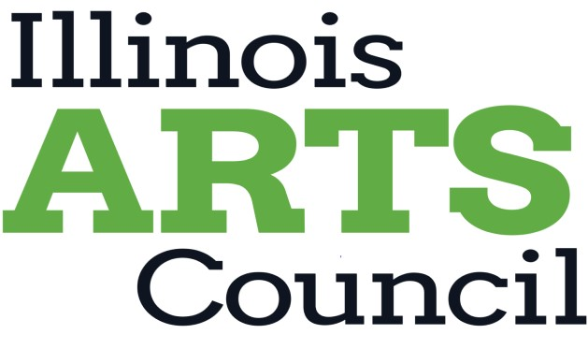

Illinois Arts Council Financial Information for Organizations that do not have a mission dedicated to the arts in Illinois

Organization:
Fiscal Year:
Financial Data

Revenue
Admissions Earned Revenue
Contracted Services Revenue
Other Revenue from Operations
Corporate Support
Foundation Support
Trustee/Board Contributions
Individual Contributions
Special Events/Fundraising
Federal Grants
State Grants
City/County Grants
Parent Organization
Previous Year Cash Forward
Revenue from Endowment
Total Operating Cash Revenue | $- | Note: this cell will self-calculate

Expenses
Employee-Administrative
Employee-Artistic
Employee-Other
Contracted Services-Administrative
Contracted Services-Artistic
Contracted Services-Other
Space Rental
Travel/Lodging/Transportation
Marketing
Fundraising Costs
Remaining Operating Expenses
Total Cash Operating Expenses | $- | Note: this cell will self-calculate

Additional Financial Data
Net Cash Operating Gain/Loss | $- | Note: this cell will self-calculate
Total In-Kind Contributions

