GOS Staff + Board List
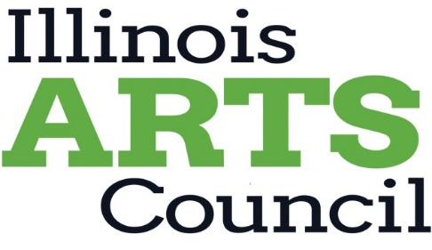

<Type Applicant Name Here>

Type applicant name above. Using 11 pt font on no more than one page, list your organizational board and staff members on the two tables below.
Applicants, whose primary services are not arts-related, must provide a list of arts program advisory board or committee members. Colleges and universities
must provide a list of arts program advisory board or committee members. Do not provide the institution's board or directors list. Submit attachment as a pdf.

Board List

Board Member Name | Title/Professional Affiliation | City/town of Residence

Staff List

Staff Name | Title | Full-time, Part-time, or Volunteer

